aw25
 |  |  |  |  |  |  |  |  | us/size |  |  |  |  |  |  |  |  |  |  |  |  |  |  |  |  |  | 634
ITEM TYPE | GENDER | IMAGE | ITEM CODE | ITEM DESCRIPTION | COLOUR CODE | COLOUR DESCRIPTION | SRP | WHS | A | 5 | 5.5 | 6 | 6.5 | 7 | 7.5 | 8 | 8.5 | 9 | 9.5 | 10 | 10.5 | 11 | 11.5 | 12 | 12.5 | 13 | LIFESTYLE
 |  |  |  |  |  |  |  |  | A | 37.5 | 38 | 39 | 39.5 | 40 | 40.5 | 41.5 | 42 | 42.5 | 43.5 | 44 | 44.5 | 45 | 46 | 46.5 | 47 | 48
 |  |  |  |  |  |  |  |  | B | 5 | 5.5 | 6 | 6.5 | 7 | 7.5 | 8 | 8.5 | 9 | 9.5 | 10 | 10.5 | 11 | 11.5 | 12 | 12.5 | 13
 |  |  |  |  |  |  |  |  | B | 35.5 | 36 | 37 | 37.5 | 38 | 39 | 39.5 | 40 | 40.5 | 41.5 | 42 | 42.5 | 43.5 | 44 | 44.5 | 45 | 46
CUD | MEN | 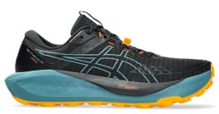 | 1011B978 | GEL-TRABUCO 13 GTX | 003 | BLACK/WHISPER GREEN | 170.00 € | 85.00 € | A |  |  |  |  |  |  |  | 15 | 15 | 30 | 30 | 15 | 15 | 15 | 15 |  |  | 150
CARRY OVER | MEN | 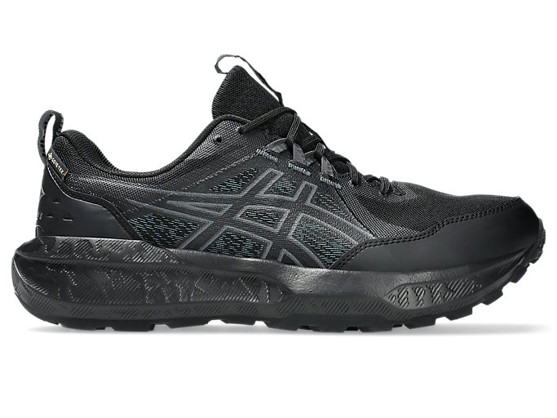 | 1011B977 | GEL-SONOMA 8 GTX | 002 | BLACK/CARRIER GREY | 120.00 € | 60.00 € | A |  |  |  |  |  |  |  | 12 | 12 | 25 | 25 | 12 | 12 | 12 | 12 |  |  | 122
CUD | MEN |  | 1011B977 | GEL-SONOMA 8 GTX | 003 | BLACK/DARK COBALT | 120.00 € | 60.00 € | A |  |  |  |  |  |  |  | 12 | 12 | 25 | 25 | 12 | 12 | 12 | 12 |  |  | 122
CUD | WOMEN |  | 1012B770 | GEL-SONOMA 8 GTX | 003 | BLACK/DARK PINK CLAY | 120.00 € | 60.00 € | B |  |  |  |  | 21 | 21 | 20 | 20 | 21 | 21 |  |  |  |  |  |  |  | 124
CARRY OVER | MEN | 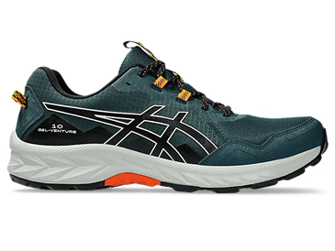 | 1011B967 | GEL-VENTURE 10 | 020 | Saxon Green/Black | 80.00 € | 40.00 € | A |  |  |  |  |  |  |  |  | 2 | 4 | 4 | 4 | 4 | 4 | 2 |  | 2 | 26
CARRY OVER | WOMEN | 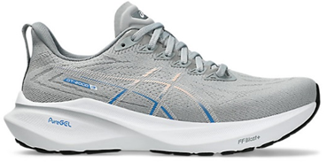 | 1012B666 | GT-2000 13 | 022 | Piedmont Grey/White | 160.00 € | 80.00 € | B |  |  |  | 1 | 2 | 2 | 0 | 4 | 0 | 1 |  |  |  |  |  |  |  | 10
CARRY OVER | MEN | 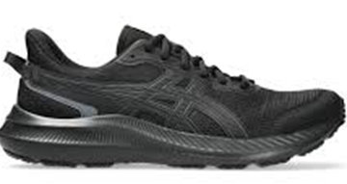 | 1011B963 | JOLT 5 | 002 | Black/Graphite Grey | 60.00 € | 30.00 € | A |  |  |  |  |  |  |  |  | 6 | 6 | 6 | 6 | 6 | 6 | 6 | 6 | 6 | 54
CARRY OVER | MEN | 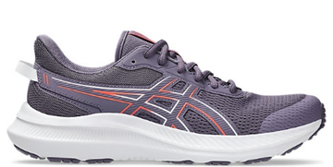 | 1011B967 | GEL-VENTURE 10 | 400 | Midnight/Black | 80.00 € | 40.00 € | A |  |  |  |  |  |  |  |  | 2 | 4 | 4 | 4 | 4 | 2 | 2 | 2 | 2 | 26

